Sheet1
No | Brand | Part Number | Vehicle | Picture | Url
1 | FS | 44136 | Freightliner Century Class (03-00) Freightliner Columbia (03-00) | 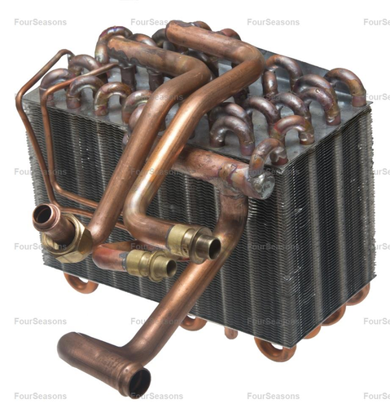 | https://www.4s.com/en/ecatalog?part=44136&type=p&search=s
2 | FS | 86043 | Nissan Frontier (04-01) Nissan Xterra (04-00) | 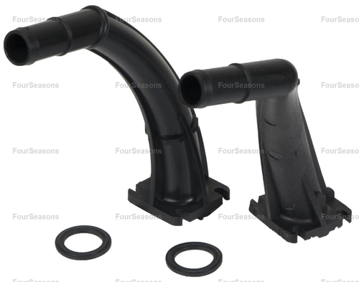 | https://www.4s.com/en/ecatalog?part=86043&type=p&search=s
3 | FS | 90001 | Ford Expedition (01-97) Ford F-150 (03-97) Ford F-150 Heritage (04) Ford F-250 (03-97) Ford F-350 (98), (03-00) Ford Lobo (03-97) Lincoln Blackwood (03-02) Lincoln Navigator (02-98) | 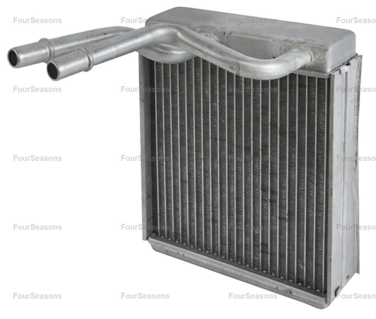 | https://www.4s.com/en/ecatalog?part=90001&type=p&search=s
4 | FS | 90002 | Nissan Altima (97-93) | 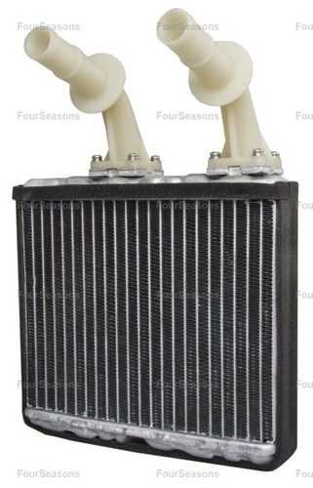 | https://www.4s.com/en/ecatalog?part=90002&type=p&search=s
5 | FS | 90003 | Ford Expedition (98-97) Lincoln Navigator (98) | 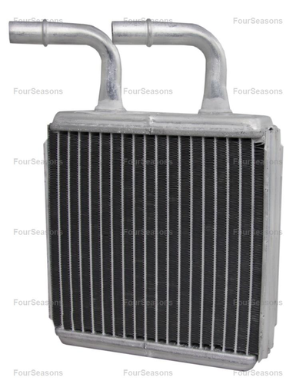 | https://www.4s.com/en/ecatalog?part=90003&type=p&search=s
6 | FS | 90004 | Ford Excursion (02-00) Ford F-250 Super Duty (03-99) Ford F-350 Super Duty (03-99) Ford F-450 Super Duty (03-98) Ford F-550 Super Duty (04-99) Ford F-650 (04-00) Ford F-750 (04-00) | 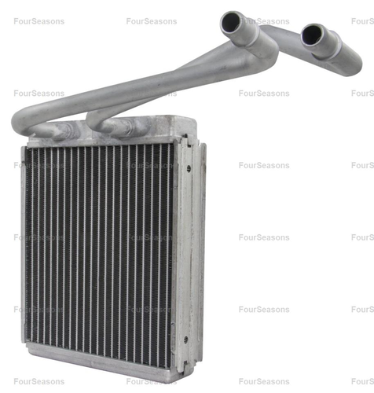 | https://www.4s.com/en/ecatalog?part=90004&type=p&search=s
7 | FS | 90005 | Lincoln Town Car (02-98) | 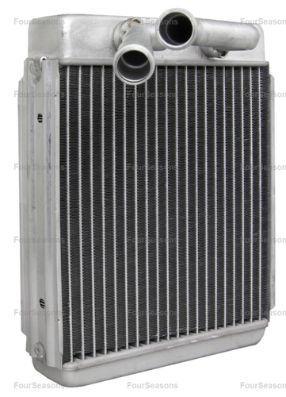 | https://www.4s.com/en/ecatalog?part=90005&type=p&search=s
8 | FS | 90007 | Ford Contour (95) Ford Sable (01-96) Ford Taurus (07-96) Lincoln Continental (02-95) Mercury Sable (05-96) | 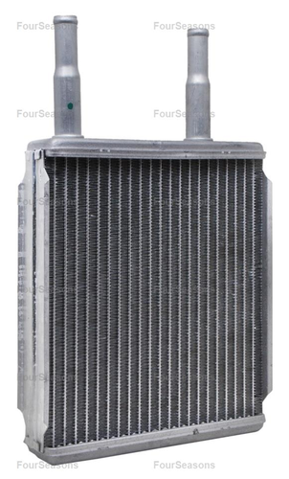 | https://www.4s.com/en/ecatalog?part=90007&type=p&search=s
9 | FS | 90009 | Ford Excursion (05-00) Ford Expedition (06-99) Ford Explorer (10-02) Ford Explorer Sport Trac (10-07) Ford Freestar (07-04) Ford Windstar (03-99) Lincoln Aviator (05-03) Lincoln Navigator (06-99) Mercury Monterey (07-04) Mercury Mountaineer (10-02) | 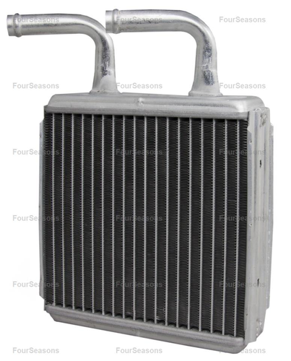 | https://www.4s.com/en/ecatalog?part=90009&type=p&search=s
10 | FS | 90010 | Ford Explorer (01-95) Ford Explorer Sport (03-01) Ford Explorer Sport Trac (05-01) Ford F-100 Ranger (01-96) Ford Ranger (11-95) Mazda B2300 (97-95), (10-01) Mazda B2500 (01-98) Mazda B3000 (08-95) Mazda B4000 (10-95) Mercury Mountaineer (01-97) | 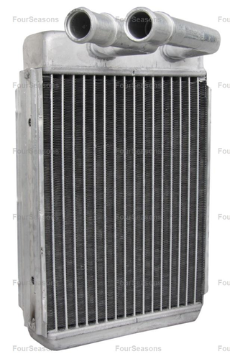 | https://www.4s.com/en/ecatalog?part=90010&type=p&search=s

